Responsibility
Responsibilty | Module | Progress | Estimation | Actually | Number of TC's | Blocked | Pass | Fail V1 | Fail V2 | Fail V3
aml | Balance Enquiry | DONE | 10 Mins | 15 Mins | 10 | 9 |  | 0 | 0
aml | Fund Transfer | DONE | 15 Mins | 12 Mins | 10
magda | Mini Statement | DONE | 18 Mins | 16 Mins | 16 | 6 | 10 | 0 | 3 | 0
fouda | Customized Statement | DONE | 23 Mins | 29 Mins | 2 | 1 | 1 | 0 | 0 | 0
fouda | Change Password | DONE | 10 Mins | 9 Mins | 2 | 1 | 0 | 0 | 0 | 0
mena | New Customer | DONE | 30 Mins | 31 Mins | 29 | 0 | 29 | 9 | 0
magda | New Account | DONE | 15 Mins | 16 Mins | 13 | 0 | 13 | 5 | 0 | 0
magda | Edit Account | IN PROGRESS | 20 Mins | 15 Mins | 15 | 6 | 9 | 3 | 1 | 0
aml | Delete Account | DONE | 10 Mins | 11 Mins | 10 | 0 | 10 | 2 | 0 | 0
salma | Delete Customer | IN PROGRESS | 20 mins | 30 mins | 8 | 0 | 7 | 2 | 1
salma | Deposit | DONE | 20 mins | 31 mins | 8 | 8 | 0 | 0 | 0
mena | Withdrawal | DONE | 10 Mins | 13 mins | 11 | 0 | 11 | 0 | 0 | 0
magda | Home Page | DONE | 5 Mins | 5 Mins | 25 | 1 | 0 | 1 | 1 | 0
salma | Login | DONE | 15 mins | 16 mins | 7 | 4 | 3 | 0 | 0
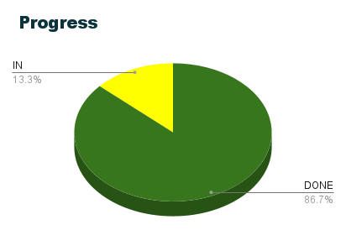
Number of TCs vs.Time
fouda | Logout | DONE | 10 Mins | 7 Mins | 2 | 1 | 1 | 0 | 0 | 0
 |  |  |  |  | 168
 |  |  |  |  | SUB TOTAL | 37 | 94 | 22 | 6 | 0

